Sheet1
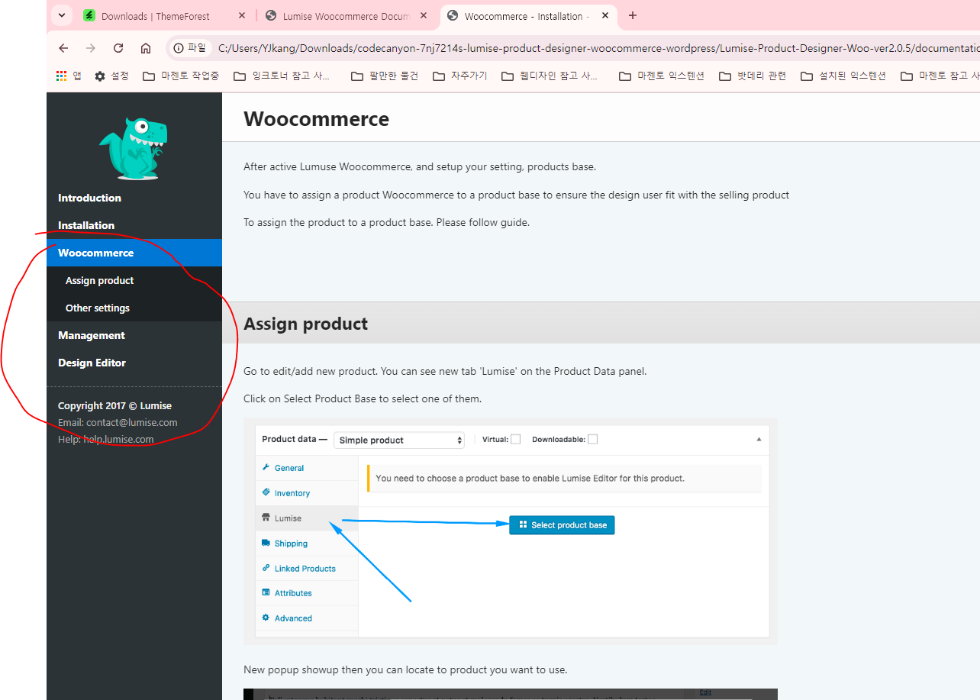
 | Note -- this is practice site .. You can do what you want

 |  | purpose of this is to know how to create customize product

 |  |  | admin
step1 |  | https://custom.smartoffice.com.ph/ | xZRG#Pxd24

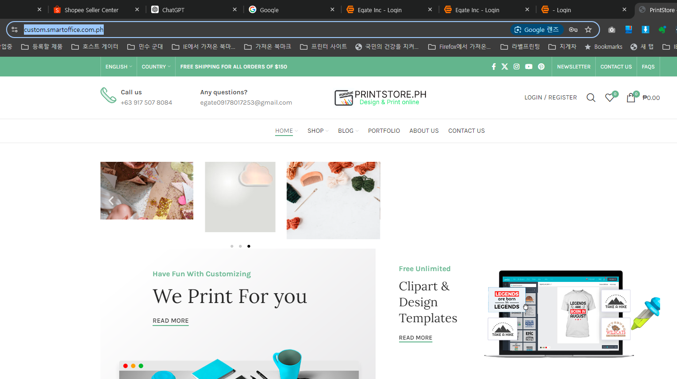

step2 | product ---> limusie -- setting

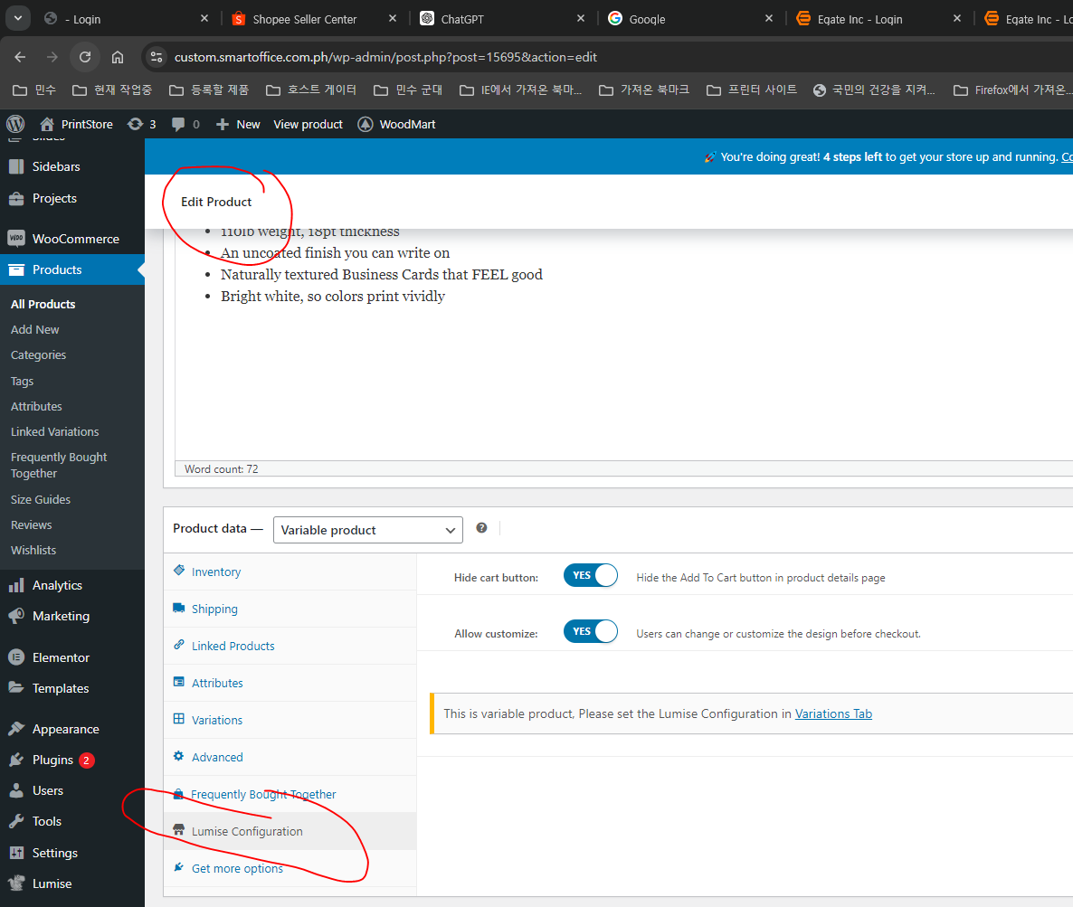

step3 |  | check this

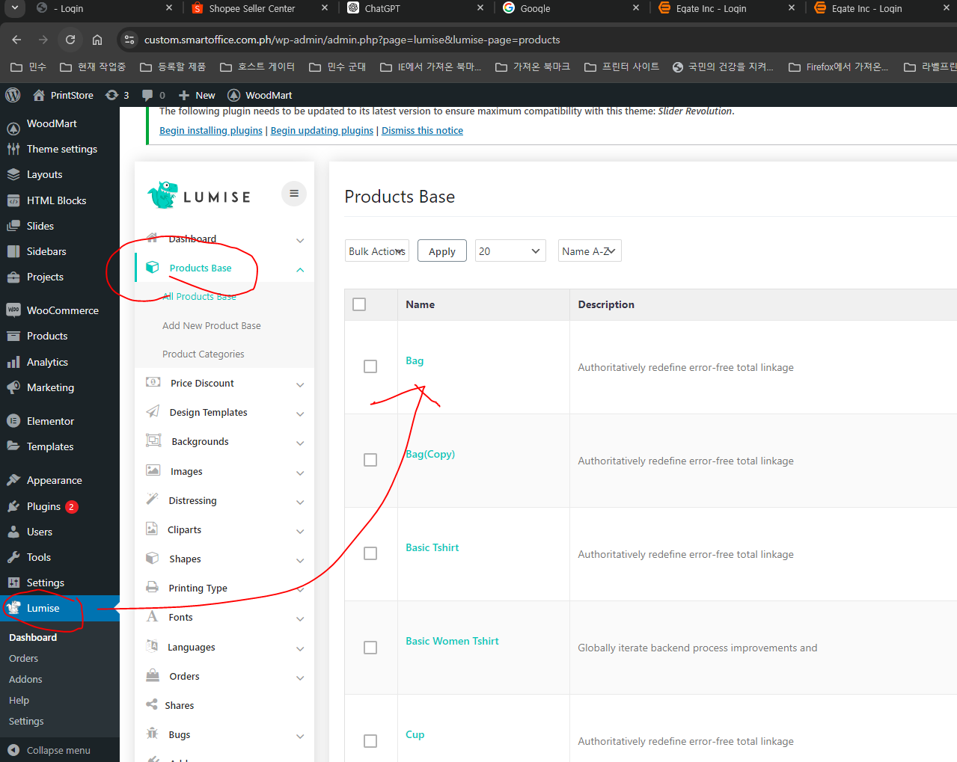

step4 | you can study about this menu for design product ( this is from manual )

